Picture Gallery
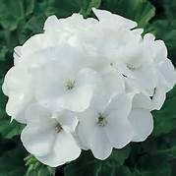
 |  |  |  | 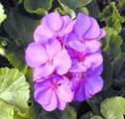

Zonal Geraniums:
4", 8", 10" | Red | Salmon | Violet | Lavender | White

Calliope
Geraniums (Ivy):

 | Dark Red | Pink Flame

 | 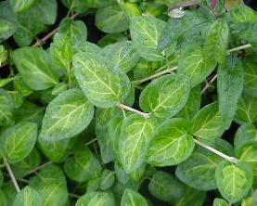
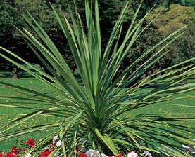

2" Pots:
Vinca Vine: | Variagated

 | 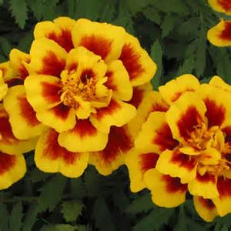
Dracaena:

4 Packs:
Marigolds: | Safari Fire | Inca Yellow | Inca Orange | Safari Yellow
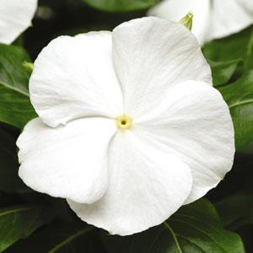

4 Packs:
Vinca: | Red | Violet | Apricot | White

4 Packs:
Petunias: | Red | White | Rose | Purple

4 Packs:
Green Leaf Begonias:
 | Scarlet | White | Rose

4 Packs:
Bronze Leaf Begonias:
 | Scarlet | White | Rose
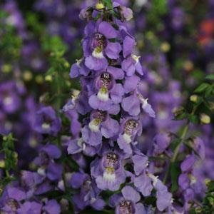

Jumbo 4 Packs:

Angelonia: | Blue

Jumbo 4 Packs:
Pentas: | Red

Jumbo 4 Packs:
Kong Coleus: | Scarlet | Rose | Wizard Mix

3" Vegetables:
Tomatoes: | Celebrity | Big Beef | Sweet Cherry

3" Vegetables:
Peppers: | Sweet | Jalepeno

3.5" Pots & 10" HB
SunPatiens: | Red | Orange | Magenta

3.5" Pots & 10" HB
Bounce Impatiens: | Red | Violet | Coral | White (3.5" only)

3.5" Pots:
Ivy: | Green

 |  |  |  | 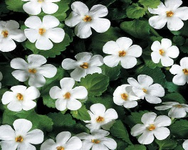

4" Pots:
Potato Vine: | Green | Black | Bacopa: | White

 |  |  |  | 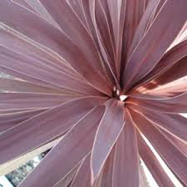 | 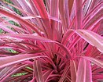

4" Pots:
Coleus: | Kingswood Torch | Lime Time | Dracaena: | Red | Pink

10" Hanging Basket

Fuchsia: | Pink/Purple | Mega Watt Begonias: | Red Green Leaf | Rose Green Leaf
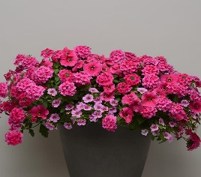

 |  | 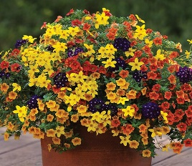 | 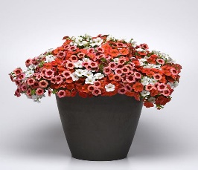 |  | 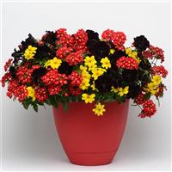

10" Hanging Baskets

Combos: | I Heart Pink | Santa Fe Sunset | Peaches and Cream | Caribbean Cocktail | Night Watch
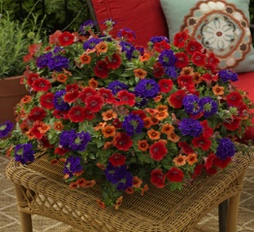

10" Hanging Baskets

Combos: | SW Summer

